Sheet1
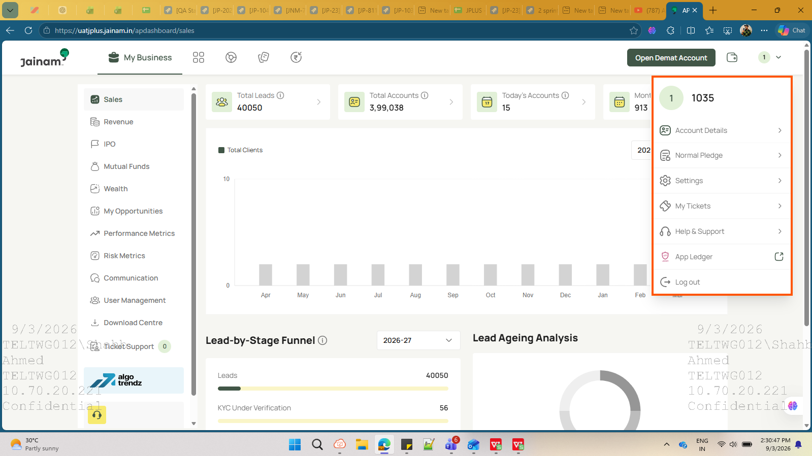
KCV Login |  | AP User | Note :- "ownbranch": "F" ( Normal pledge option not showing ).

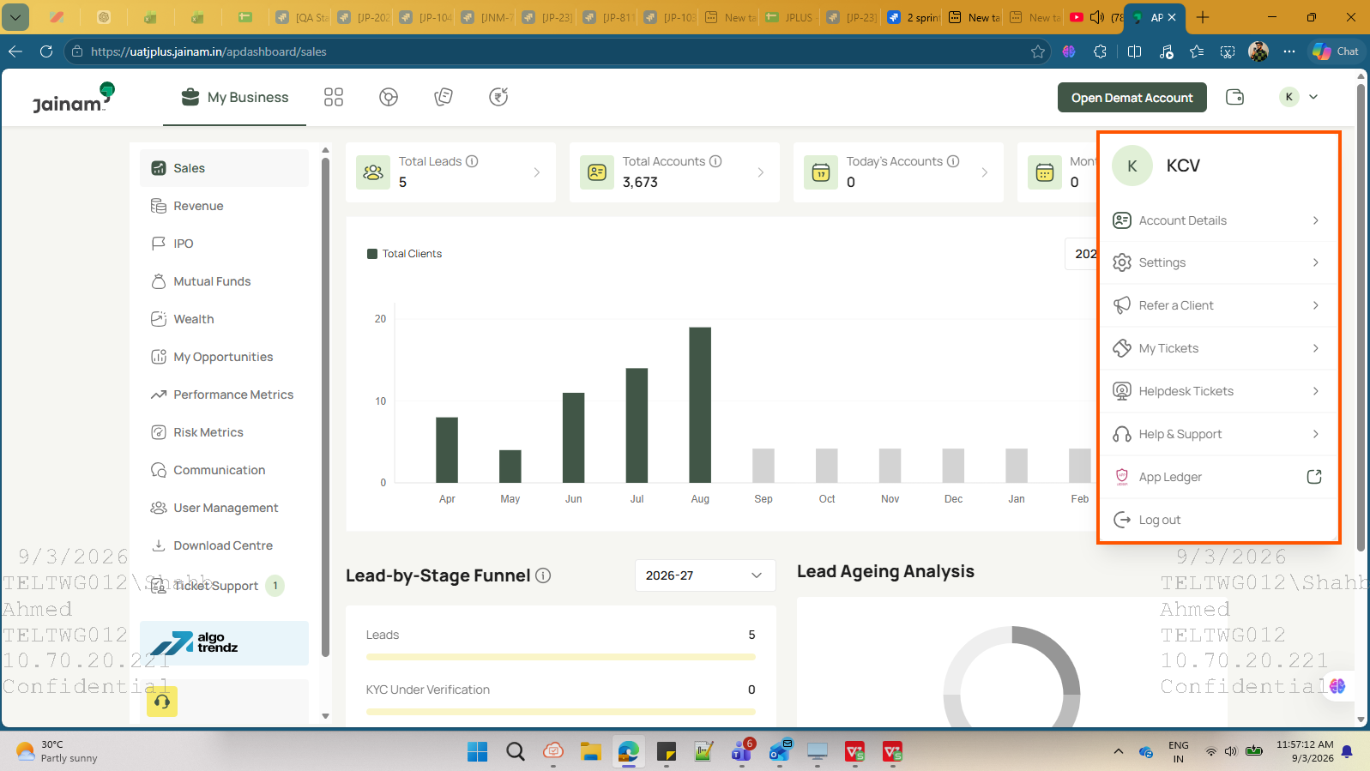
 |  |  | Note :- "ownbranch": "B" ( Nomal pledge option Showing )

 |  |  |  | Branch Code | OWN Branch
 |  |  |  | KCV | F
 |  |  |  | KX | F
 |  |  |  | AC | F
 |  |  |  | Z1VR | B
 |  |  |  | Z1sp | B
 |  |  |  | Z1sp1 | B
 |  |  |  | Z1sp2 | B

AC Login |  | AP User

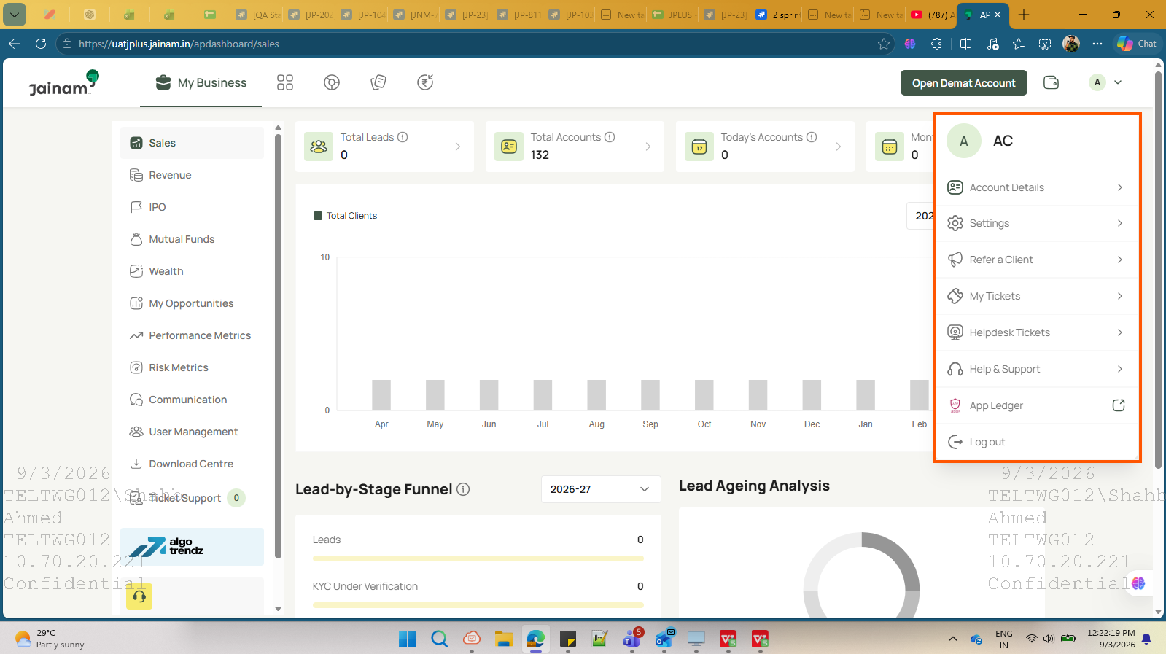

KX Login | AP User

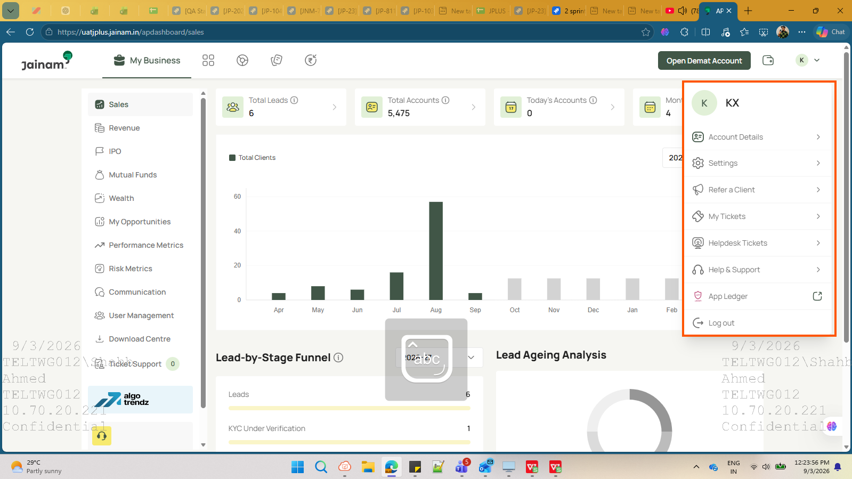

Z1VR Login

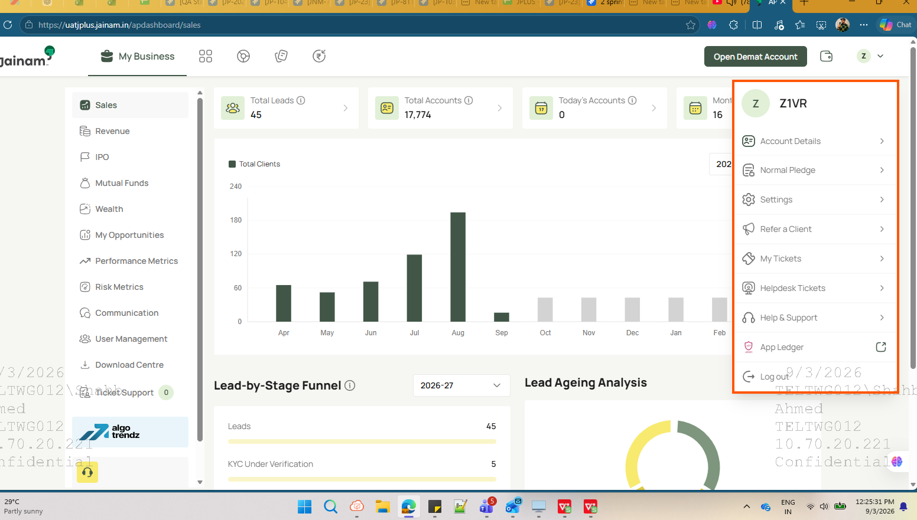

Z1SP1 Login

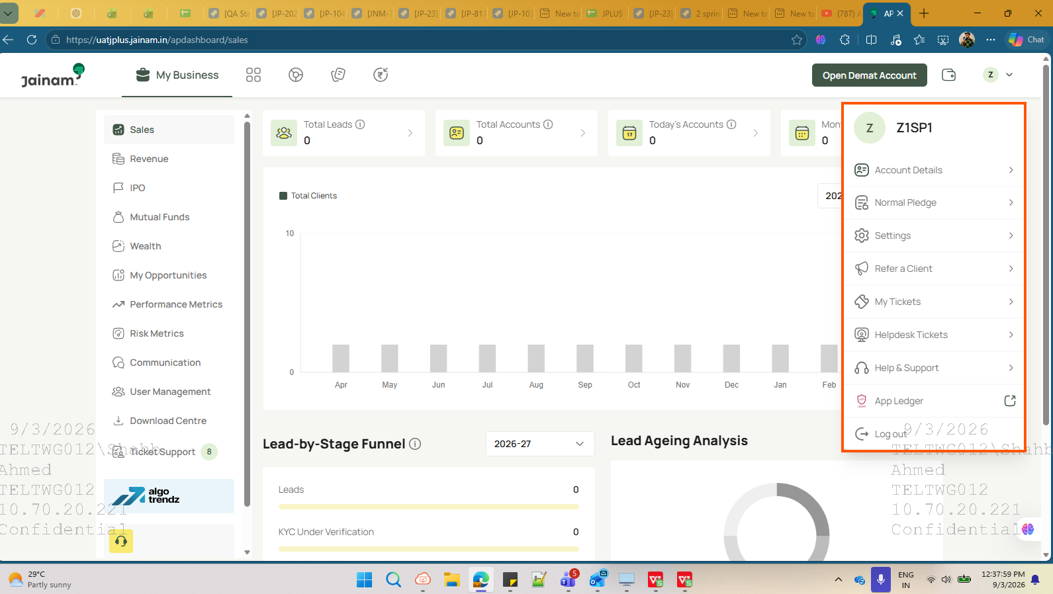

Z1SP2 Login

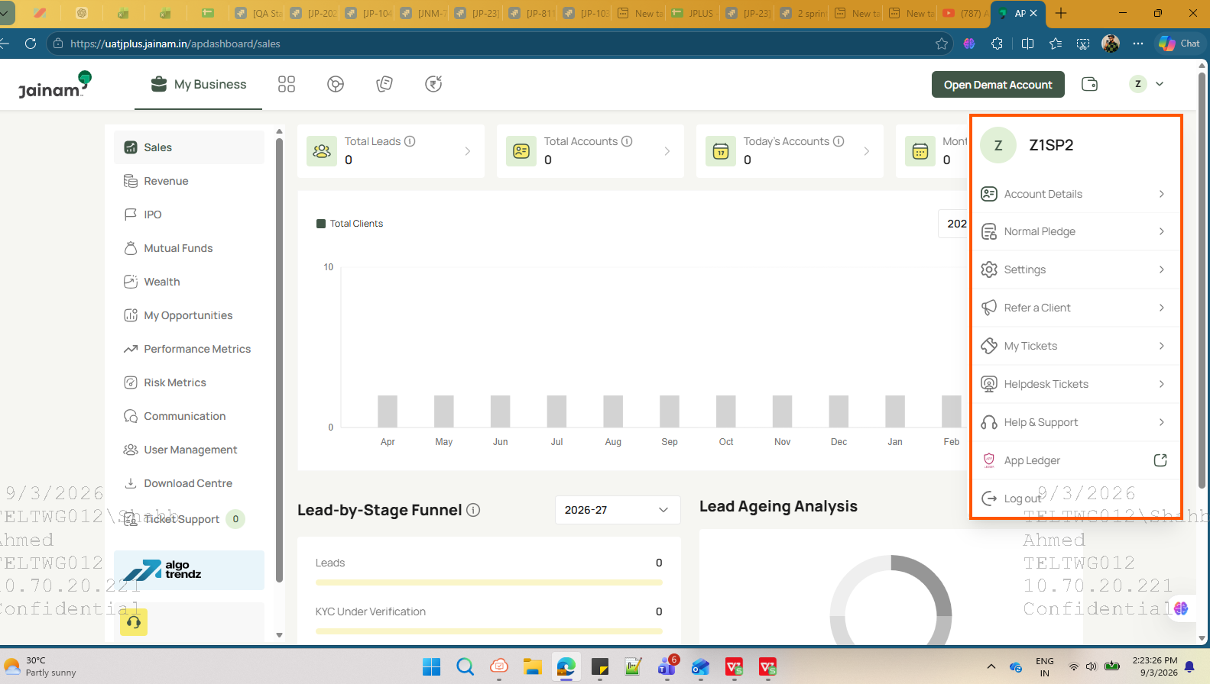

Login with :- 1177

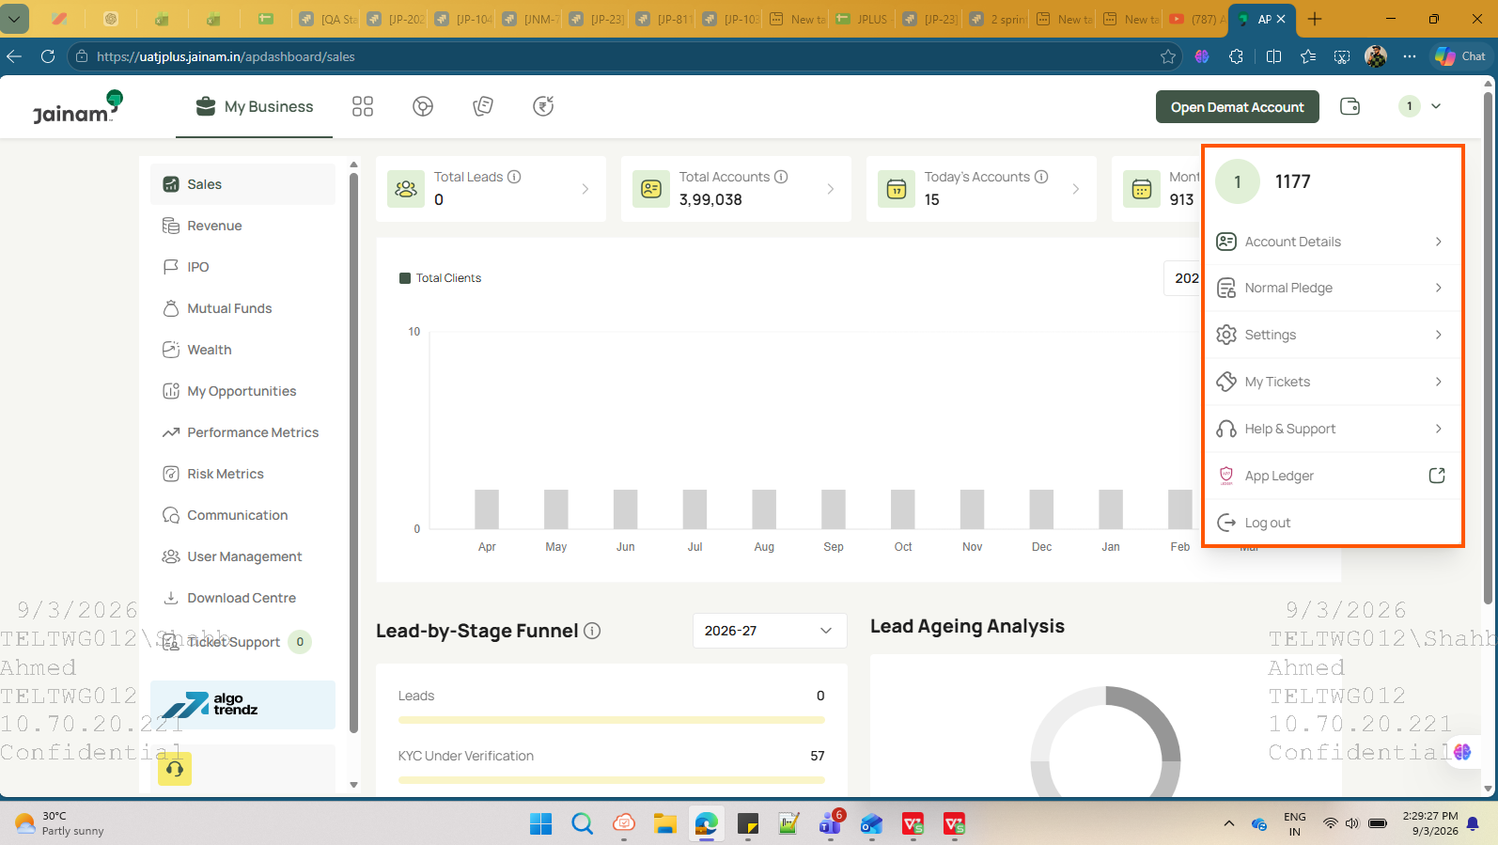

Login with :- 1035

